Card number info
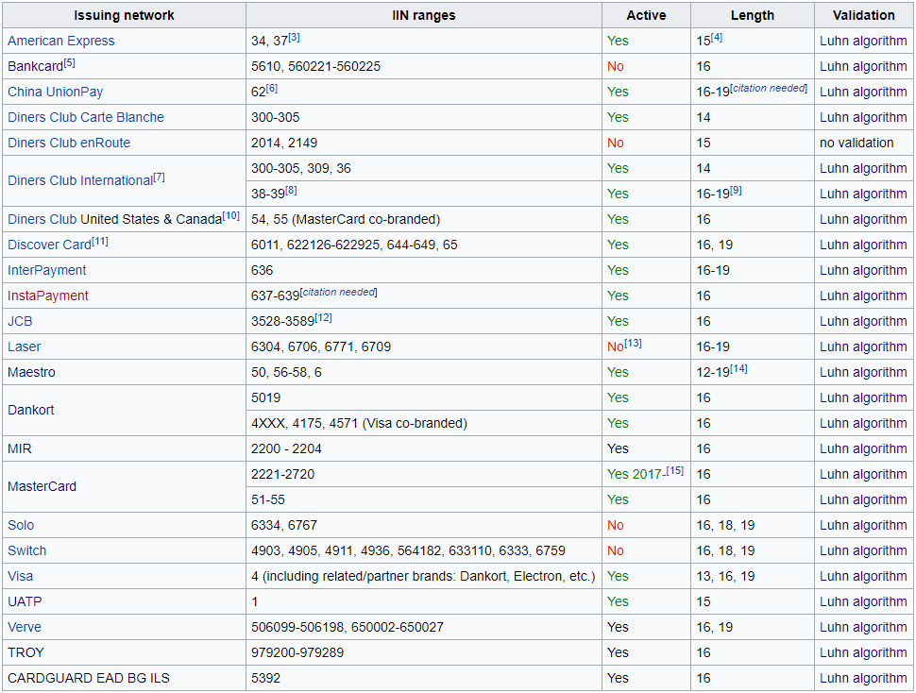
https://en.wikipedia.org/wiki/Payment_card_number

